ALTMAN Z SCORE(manufacturing)
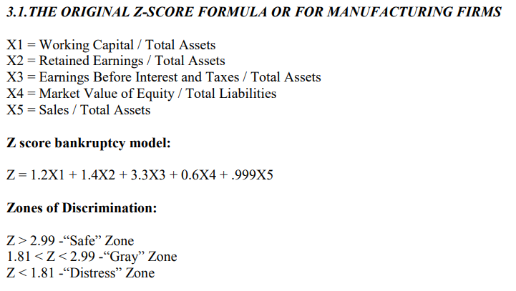
ALTMAN Z SCORE (MANUFACTURING FIRM)
Altman’s Z-Score model is a numerical measurement that is used to predict the chances of a business going bankrupt in the next two years. The model was developed by American finance professor Edward Altman in 1968 as a measure of the financial stability of companies.

FOR MANUFACTURING FIRM (ASIAN PAINTS)

ASIAN PAINTS
PARTICULARS | 2023 | 2022 | 2021 | 2020 | 2019
X1 | 0.3570 | 0.3567 | 0.3061 | 0.1936 | 0.1617
X2 | 0.6875 | 0.6657 | 0.6822 | 0.6887 | 0.6393
X3 | 0.2478 | 0.2142 | 0.2367 | 0.2569 | 0.2374
X4 | 0.0000039 | 0.0000045 | 0.0000042 | 0.0000064 | 0.0000035
X5 | 1.3350 | 1.2652 | 1.0531 | 1.2654 | 1.1979
Z SCORE | 3.54229 | 3.33072 | 3.15535 | 3.30847 | 3.06903

ALTMAN Z SCORE(NON-MANUFACT)
ALTMAN Z SCORE (NON-MANUFACTURING FIRM)
Altman’s Z-Score model is a numerical measurement that is used to predict the chances of a business going bankrupt in the next two years. The model was developed by American finance professor Edward Altman in 1968 as a measure of the financial stability of companies.

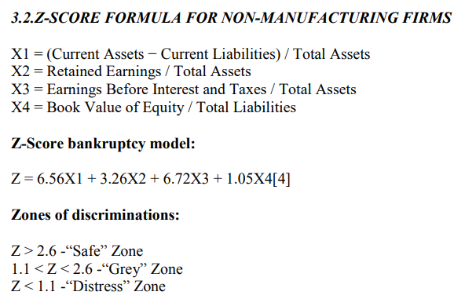
FOR NON-MANUFACTURING FIRM (HCL TECHNOLOGIES)

HCL TECHNOLOGIES
PARTICULARS | 2023 | 2022 | 2021 | 2020 | 2019
X1 | 0.3355 | 0.3340 | 0.3196 | 0.1792 | 0.3291
X2 | 0.7601 | 0.7871 | 0.7769 | 0.6868 | 0.8054
X3 | 0.2782 | 0.2504 | 0.2274 | 0.2133 | 0.2656
X4 | 0.0443 | 0.0501 | 0.0460 | 0.0335 | 0.0386
Z SCORE | 6.59495 | 6.49231 | 6.20562 | 4.88290 | 6.60994

Beneish M-score(Asian paints)
BENEISH M-SCORE(ASIAN PAINTS)

The Beneish M-score, also known as the M-Score, is a model developed by Professor Messod D. Beneish to identify potential earnings manipulation or financial fraud by examining a set of accounting-based ratios.

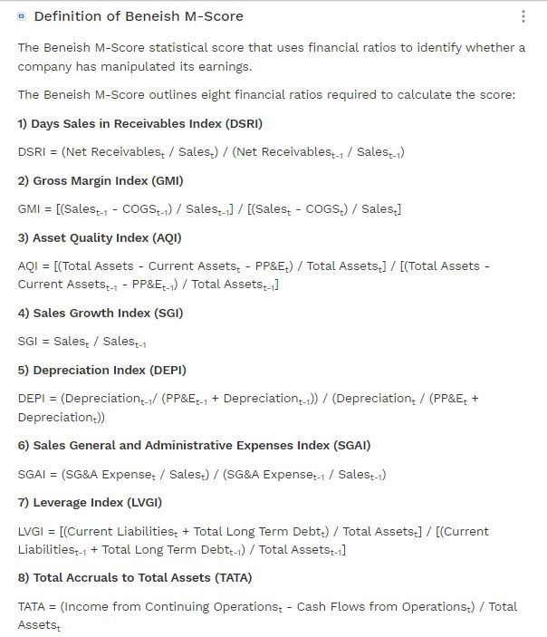
ASIAN PAINTS(In Cr.)
Financial Ratios Indexes | 2023 | 2022 | INDEX
Day Sales in Receivables Index (DSRI) | 42.019 | 42.253 | 0.994
Gross Margin Index (GMI) | 0.371 | 0.284 | 0.767
Asset Quality Index (AQI) | 0.138 | 0.124 | 1.117
Sales Growth Index (SGI) | 30078.00 | 25188.00 | 1.194
Depreciation Index (DEPI) | 0.120 | 0.133 | 1.109
Selling, General, & Admin. Expenses Index (SGAI) | 0.197 | 0.198 | 0.995
Leverage Index (LVGI) | 0.293 | 0.311 | 0.941
Total Accruals to Total Assets (TATA) | -0.034 | 0.000 | -0.034
Beneish M Score |  |  | -2.5127935451

Interpretation
Hypothetical Inc. is not likely to have manipulated their earnings.
Beneish M Score < -2.22: Company is not likely to have manipulated their earnings
Beneish M Score > -2.22: Company is likely to have manipulated their earnings

